Info
Hello 👋

Welcome to the labeling exercise for SDG 3.
The objective of this exercise is to label 100 texts in terms of their relevance to SDG 3.

Your Labeling Sheet
You have your own personal sheet for assigning the labels. You will find it by clicking on your name in the list at the bottom of this page.
Each sheet has the same 100 texts, but the order in which they appear has been randomized.
Later on, we will put everyone's labels side-by-side. This will help us identify texts with high and low alignment.
At our next meeting, we will discuss the texts where we have disagreements and see if we can reach a consensus for the "true" label for every text.
Please resist the temptation to look at other people's labels until you are done labeling. 🙂

Explanation of Labels
On your personal sheet, you will find the text in column C.
Column D contains a drop-down for picking the appropriate label. The options are:

TRUE | This text is relevant to SDG 3
FALSE | This text is not relevant to SDG 3
SKIP | You can use this if you are not sure about the label

If you want, you can put any comments in column E.

Instructions for Labeling
The text should be annotated as SDG 3 only if:

1. The text addresses SDG 3 or one of its targets
See the official definitions of SDG 3 and its targets below ("SDG 3 Description & Targets").

AND

2. The text addresses SDG 3 or its targets directly:
- the text should be directly relevant to SDG 3 or to achieving SDG 3
- if a text only has an indirect or implicit relevance, it should not be labeled SDG 3

AND

3. The text addresses SDG 3 or its targets specifically:
- the text should be specific to SDG 3 and its targets
- if fact stating, the text should contain value-laden words (e.g. renewable energy instead of energy, drug abuse instead of drugs, infant mortality instead of premature deaths)

4. Annotate as SDG 3 regardless of valence and other SDGs:
- annotate as SDG 3 regardless of whether the content is discussed in a positive or negative light. We ignore valence (sentiment) for now.
- annotate as SDG 3 even if other SDGs are mentioned and annotate as SDG 3 even if SDG 3 is not the "most important" SDG in the text

With all that said, please do trust your judgment! I am sure we will have important discussions about these issues next time — which is exactly what we want 😊

SDG 3 Description & Targets
The official text for SDG 3 is: "Ensure health lives and promote well-being for all at all ages". Below you can see the targets for SDG 3.
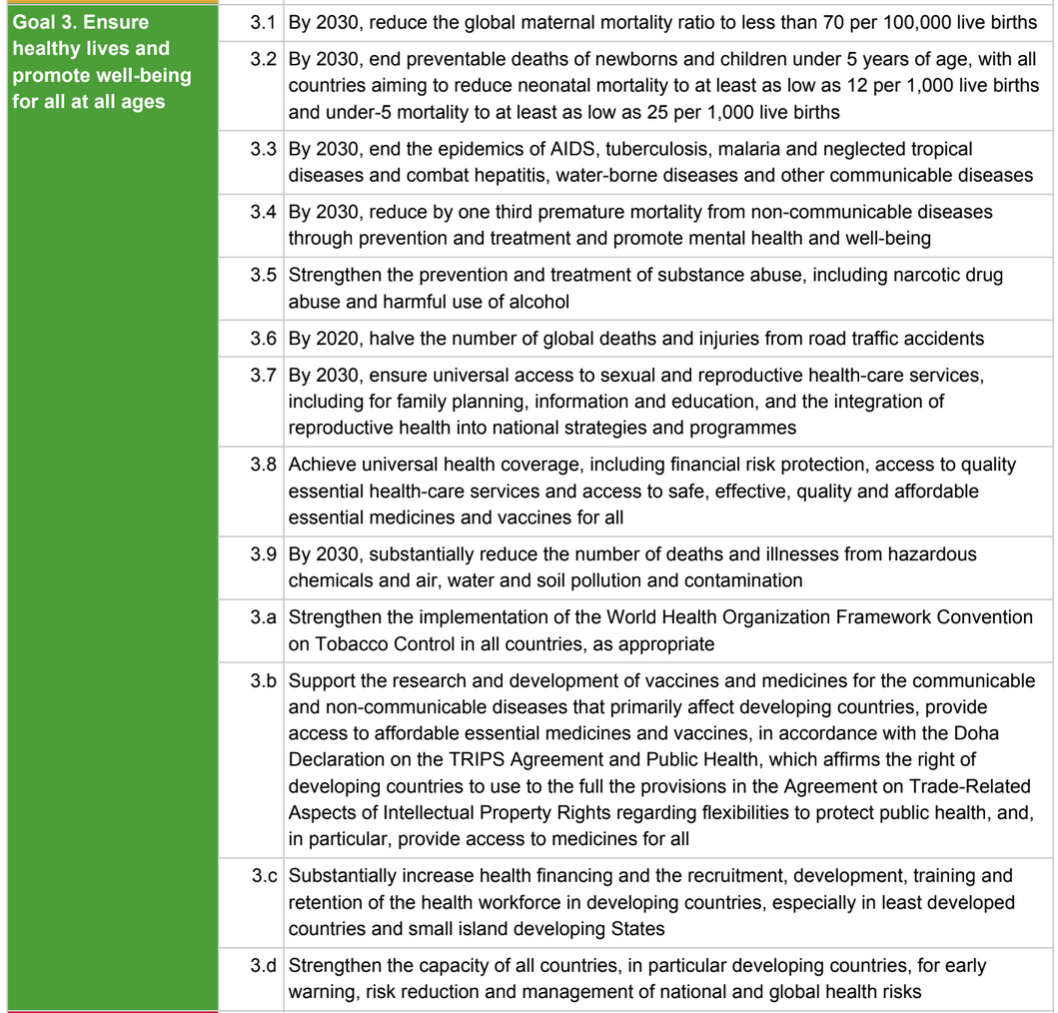

Click here to see all other SDGs and targets.

Labeling Sheets
Please click on your name to access your personal labeling sheet. Names are listed in alphabetical order.

Name | Progress (will update automatically)
Finn |  | 100 / 100
Gib |  | 0 / 100
Jean-Baptiste |  | 0 / 100
Meike |  | 98 / 100
Steve |  | 100 / 100

Thank you for being part of this exercise and thanks to OSDG for the dataset! ❤️

Text Selection
FYI: You do not need to read this section. We are just documenting how the texts for this exercise were selected.

In total, 100 texts were selected from the OSDG dataset for SDG 3. The reason for selecting each text is documented in the "Source" sheet.

Automatic Selection (50 texts)
50 texts were selected automatically
- 25 texts that OSDG community labeled as "SDG 3"
- 25 texts that OSDG community labeled as "not SDG 3"
In the OSDG dataset, each text has an agreement score between 0 (equal positive and negative labels) to 1 (full consensus).
Each set of the 25 texts above consist of:
- 5 texts with agreement score > 0.8
- 5 texts with agreement score > 0.6 and <= 0.8
- 5 texts with agreement score > 0.4 and <= 0.6
- 5 texts with agreement score > 0.2 and <= 0.4
- 5 texts with agrement score > 0 and <= 0.2
For each permutation (label + agreement level), the five texts with the largest number of annotators were selected.

Manual Selection (50 texts)
23 texts were selected manually to try to cover the 12 targets of SDG 3.
23 texts were selected manually to cover words used in 12 targets of SDG3 (but are not about SDG3 according to the OSDG community "vote")
For each target, 3-4 texts were selected, trying to balance the number of texts with and without label.
In total, 23 texts with label "SDG 3" and 23 texts with label "not SDG 3" were selected.
Another four texts with agreement score=0 were selected.

